Sheet1
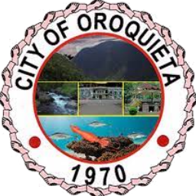

Republic of the Philippines
City Government of Oroquieta
The Capital of Misamis Occidental
MISAMIS OCCIDENTAL, REGION X

INVENTORY REPORT OF MOTOR VEHICLES
As of December 31, 2024
NO. | OFFICE | QUANTITY | DESCRIPTION (YEAR OF MFR., MANUFACTURER'S NAME/MODEL, ETC.) | SPECIFICATIONS |  |  |  | ACQUISITION |  | RUNNING CONDITION | GSIS Period Covered | LTO Renewal
 |  |  |  | VEHICLE USE | NO. OF CYLINDER | PISTON | FUEL TYPE | YEAR | COST
 |  |  |  |  |  | DISPLACEMENT

